F2
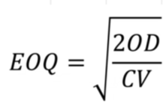
Economic Order Quantity
Product Demand | 5000
Product Value | $100.00
Order Cost | $100.00
Inventory Carryng Cost | 25%
Economic Order Quantity | 200
Order Receiving Cost | $2,500.00
Inventory Holding Cost | $2,500.00
Total Cost | $5,000.00

